Tabel Ref
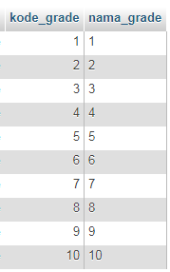
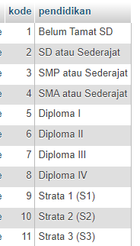
Jenis Kelamin
Kode | Keterangan
1 | Laki-Laki
2 | Perempuan

Status Menikah
Kode | Keterangan
1 | Kawin
2 | Belum Kawin
3 | Duda
4 | Janda
5 | Dibawah Umur

Agama
Kode | Keterangan
1 | Islam
2 | Kristen Katolik
3 | Kristen Protestan
4 | Hindu
5 | Budha

Tipe Darah
Kode | Keterangan
1 | A
2 | B
3 | AB
4 | O

